Master Graphs
Color Key
Text | Eco | Mainfare & Butterfield | Mainfare | Butterfield
Background | Eco | Mainfare & Butterfield | Mainfare | Butterfield | Aggregate/General | Period |  |  |  | NOTE: | interactive chart | [under development]
Bar Color | S24 | F24 | S25 | F25 | S26 | Mainfare & Butterfield | Mainfare | Butterfield | Trend
Pound Per Week by Semester
CO₂e Impact as *Miles Not Driven* by Semester
Mainfare Total lbs vs Butterfield Total lbs
[Total] Daily Composting Average
 | S '24 | F '24 | S '25 | F '25 | S '26*

Total Pounds per Semester
Pounds per Semester by Period
Average Pound per Hour
 | Total | Mainfare | Butterfield
Mainfare Daily Composting Average
 | F '24 | S '25 | F '25 | S '26*

Total Pounds Over Time
Pounds per Semester by Dining Hall-Period
Percent Increase in lb/hr by Dining Hall per Semester
Butterfield Daily Composting Average
 | F '24 | S '25 | F '25 | S '26*

Pounds per Week Over Time
Average Pound per Day
 | Mainfare | Butterfield | Total

Master Fall 2025
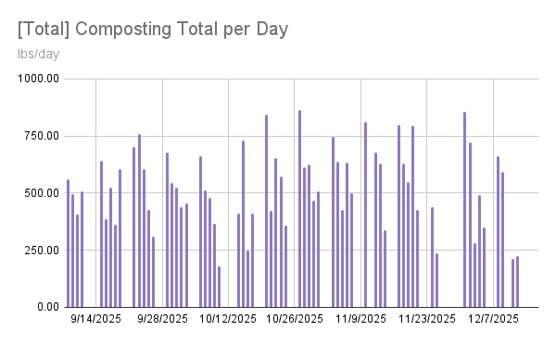
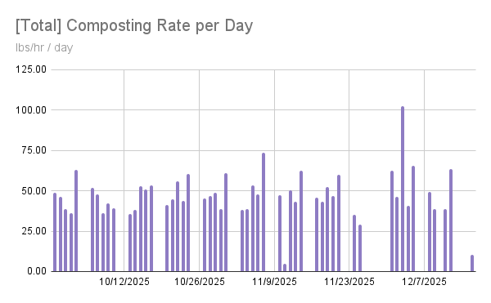
 |  | Fall 2025 Composting Data

# of ambassadors
14
 | F25 Mainfare Total Data |  |  | F25 Butterfield Total Data |  |  | F25 Total Data
 | Total lbs | 20,069 |  | Total lbs | 16,525 |  | Total lbs | 36,594
 | avg lb p/day | 271.88 |  | avg lb p/day | 266.82 |  | avg lb p/day | 502.70
 | Total lbs/hr | 51.42 |  | Total lbs/hr | 41.84 |  | Total lbs/hr | 46.41
 | avg ambassador lb p/hr | 56.36 |  | avg ambassador lb p/hr | 45.20 |  | avg ambassador lb p/hr | 50.98
 | Total hours | 270.43 |  | Total hours | 296.63 |  | Total hours | 567.07
 | avg hrs/day | 5:24:31 |  | avg hrs/day | 6:18:41 |  | avg hrs/day | 10:54:18
 | Impact [lbs of Co2e] | 12,754.45 |  | Impact [lbs of Co2e] | 10,502.13 |  | Impact [lbs of Co2e] | 23,256.58

 | F25 Mainfare Weekday Data |  |  | F25 Butterfield Weekday Data |  |  | F25 Total Weekday Data
 | avg MF wkdy | Avg lb's/WD |  | avg BF wkdy | Avg lb's/WD |  | avg wkdy | Avg lb's/WD
 | Mon | 338 |  | Mon | 370 |  | Mon | 708
 | Tues | 163 |  | Tues | 310 |  | Tues | 473
 | Wed | 346 |  | Wed | 230 |  | Wed | 576
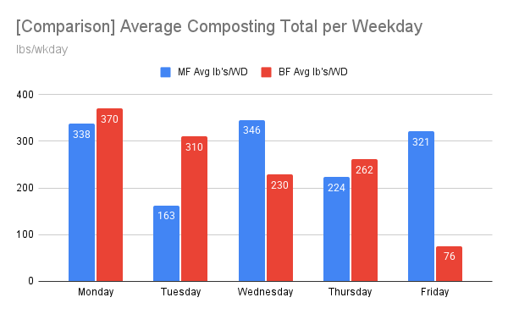
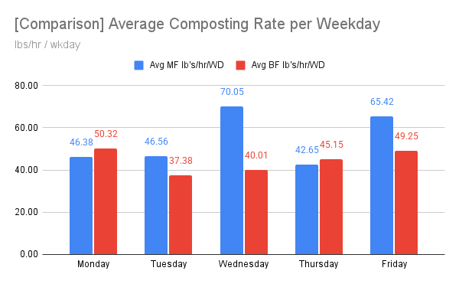
 | Thur | 224 |  | Thur | 262 |  | Thur | 485
 | Fri | 321 |  | Fri | 76 |  | Fri | 397
 | avg MF wkdy | Avg lb's/hr/WD |  | avg BF wkdy | Avg lb's/hr/WD |  | avg wkdy | Avg lb's/hr/WD
 | Mon | 46.38 |  | Mon | 50.32 |  | Mon | 45.57
 | Tues | 46.56 |  | Tues | 37.38 |  | Tues | 36.22
 | Wed | 70.05 |  | Wed | 40.01 |  | Wed | 54.52
 | Thur | 42.65 |  | Thur | 45.15 |  | Thur | 42.87
 | Fri | 65.42 |  | Fri | 49.25 |  | Fri | 60.16
 | avg MF wkdy | Avg hr/WD |  | avg BF wkdy | Avg hr/WD |  | avg wkdy | Avg hr/WD
 | Mon | 7:21:11 |  | Mon | 8:03:48 |  | Mon | 14:41:00
 | Tues | 3:34:18 |  | Tues | 7:53:40 |  | Tues | 10:52:15
 | Wed | 5:43:00 |  | Wed | 6:03:53 |  | Wed | 11:06:27
 | Thur | 5:02:42 |  | Thur | 6:16:48 |  | Thur | 11:19:30
 | Fri | 5:11:36 |  | Fri | 1:25:17 |  | Fri | 6:11:18

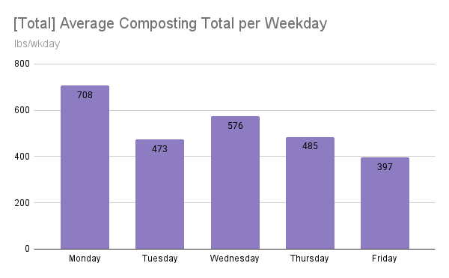
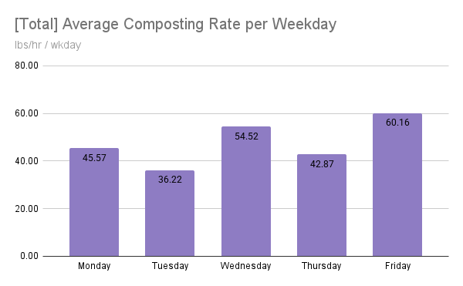
 | [all time] shifts worked: |  | 307 |  |  |  |  |  |  | [all time] shifts missed |  | 35
 | Ambassador Data
 | Ambassador | total lbs | True total lbs | score | avg period | expected shifts as of 12/12/2025 | shifts worked | called out shifts | skipped shifts | total hrs | lb/hr | lb/shift
FALSE | Orpheus Wilson | 3,001 | 3,878 | 140.95% | Lunch | 30 | 25 | 0 | 5 | 39:45:00 | 75.50 | 120.04
FALSE | Greta Traynor | 1,997 | 2,374 | 98.04% | Lunch | 38 | 32 | 3 | 3 | 44:45:00 | 44.63 | 62.41
FALSE | Emma Korsu | 1,329 | 2,308 | 116.00% | Lunch | 10 | 9 | 2 | -1 | 24:58:00 | 53.23 | 147.67
FALSE | Emmett Khan | 4,323 | 5,631 | 117.14% | Dinner | 41 | 33 | 4 | 4 | 73:16:00 | 59.00 | 131.00
TRUE | Sarah Wilme | 1,699 | 2,644 | 90.40% | Dinner | 30 | 15 | 3 | 12 | 54:00:00 | 31.46 | 113.27
FALSE | Maureen Surgot | 3,119 | 3,952 | 80.23% | Lunch | 31 | 28 | 1 | 2 | 73:35:00 | 42.39 | 111.39
FALSE | Brynn Hornig | 2,692 | 3,307 | 88.98% | Lunch | 31 | 33 | 0 | -2 | 68:59:00 | 39.02 | 81.58
FALSE | Leisly Aceituno | 89 | 767 | 74.11% | Dinner | 11 | 2 | 0 | 9 | 2:30:00 | 35.60 | 44.50
FALSE | Kaylie Forgue | 4,195 | 4,947 | 92.23% | Dinner | 30 | 28 | 2 | 0 | 84:35:00 | 49.60 | 149.82
FALSE | Evan Morgan | 800 | 800 | 100.12% | Breakfast | 19 | 11 | 1 | 7 | 33:24:00 | 23.95 | 72.73
FALSE | Elliott Haber | 1,076 | 1,076 | 83.78% | Dinner | 7 | 8 | 1 | -2 | 20:37:00 | 52.19 | 134.50
FALSE | Oluwatimilehin Shodipe | 798 | 798 | 111.78% | Breakfast/Lunch | 8 | 8 | 0 | 0 | 13:23:00 | 59.63 | 99.75
FALSE | Laila Maisuria | 540 | 540 | 51.13% | Dinner | 8 | 9 | 1 | -2 | 18:41:00 | 28.90 | 60.00
FALSE | Kyra Turner | 659 | 659 | 100.59% | Dinner | 7 | 6 | 1 | 0 | 14:36:00 | 45.14 | 109.83

Master Spring 2026
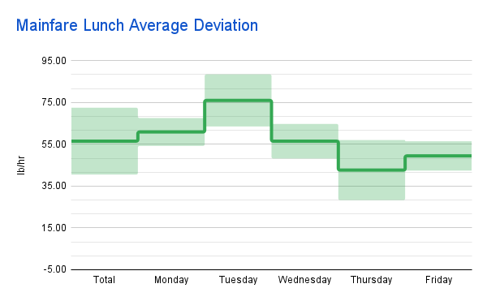
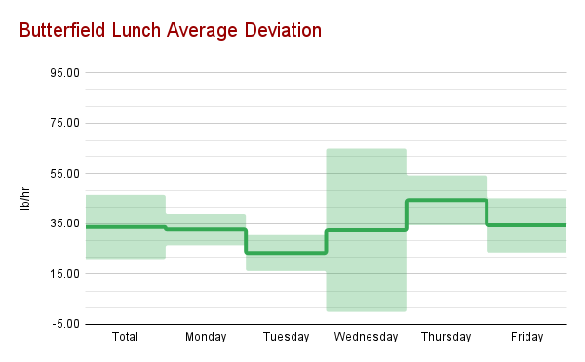
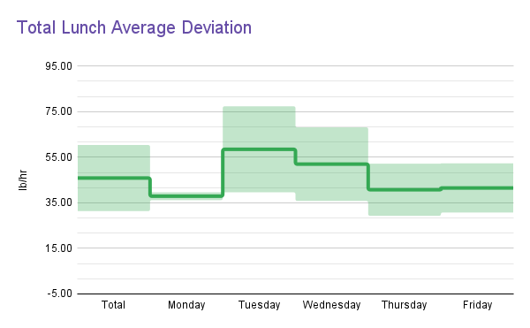
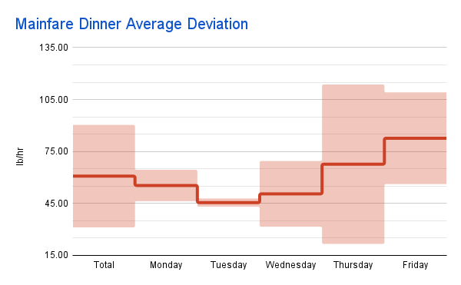
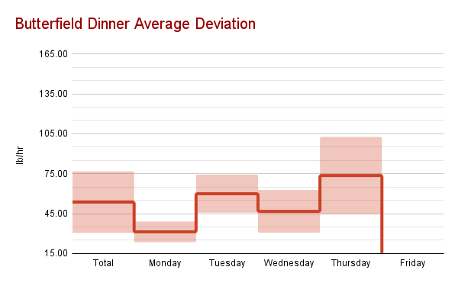
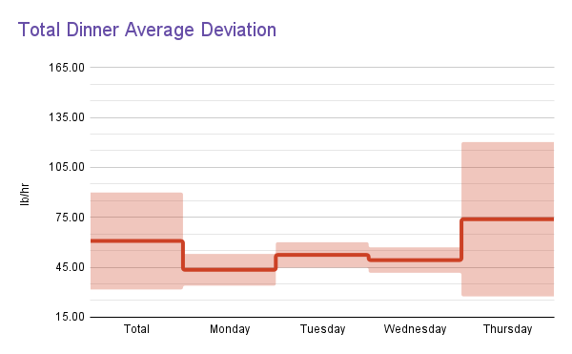
 |  | Spring 2026 Composting Data

# of ambassadors
14
 | Mainfare Total Data |  |  | Butterfield Total Data |  |  | Total Data
The total lbs collected (since hrs data been collected) | Total lbs | 17,917 |  | Total lbs | 16,092 |  | Total lbs | 34,009
The average of the total lbs collected each day (since hrs data been collected) | avg lb p/wrkday | 267.42 |  | avg lb p/wrkday | 255.43 |  | avg lb p/wrkday | 507.60
The total lbs collected over the total hours worked | Total lbs/hr | 60.99 |  | Total lbs/hr | 42.43 |  | Total lbs/hr | 50.53
The average of the hourly rate of each ambassador | avg ambassador lb p/hr | 58.97 |  | avg ambassador lb p/hr | 42.70 |  | avg ambassador lb p/hr | 51.30
The total hours worked | Total hours | 293.77 |  | Total hours | 379.22 |  | Total hours | 672.98
The average of all of the hours worked each day | avg hrs/day | 4:23:04 |  | avg hrs/day | 6:01:10 |  | avg hrs/day | 10:02:40
The number of lbs of CO2 not emitted due to diversion | Impact [lbs of Co2e] | 11,386.79 |  | Impact [lbs of Co2e] | 10,226.95 |  | Impact [lbs of Co2e] | 21,613.74

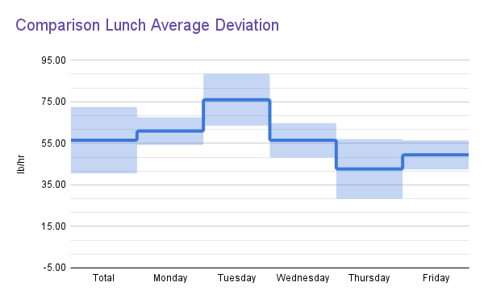
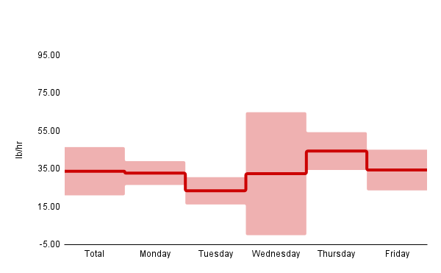
 | Mainfare Weekday Data |  |  | Butterfield Weekday Data |  |  | Total Weekday Data
 | avg MF wkdy | Avg lb's/WD | weekdays | avg BF wkdy | Avg lb's/WD |  | avg wkdy | Avg lb's/WD
 | Mon | 312 | Monday | Mon | 206 |  | Mon | 518
 | Tues | 317 | Tuesday | Tues | 281 |  | Tues | 598
 | Wed | 232 | Wednesday | Wed | 299 |  | Wed | 531
 | Thur | 178 | Thursday | Thur | 374 |  | Thur | 552
 | Fri | 302 | Friday | Fri | 117 |  | Fri | 419
 | avg MF wkdy | Avg lb's/hr/WD | Saturday | avg BF wkdy | Avg lb's/hr/WD |  | avg wkdy | Avg lb's/hr/WD
 | Mon | 61.12 |  | Mon | 40.78 |  | Mon | 48.94
 | Tues | 73.63 |  | Tues | 51.97 |  | Tues | 60.59
 | Wed | 46.20 |  | Wed | 43.90 |  | Wed | 37.62
 | Thur | 56.62 |  | Thur | 41.00 |  | Thur | 47.04
 | Fri | 61.19 |  | Fri | 34.52 |  | Fri | 48.32
 | avg MF wkdy | Avg hr/WD |  | avg BF wkdy | Avg hr/WD |  | avg wkdy | Avg hr/WD
 | Mon | 5:17:05 |  | Mon | 5:26:30 |  | Mon | 10:43:35
 | Tues | 4:32:34 |  | Tues | 5:45:14 |  | Tues | 9:53:09
 | Wed | 3:53:23 |  | Wed | 6:52:55 |  | Wed | 10:14:32
 | Thur | 3:10:30 |  | Thur | 8:30:51 |  | Thur | 11:04:51
 | Fri | 5:07:26 |  | Fri | 3:31:37 |  | Fri | 8:23:56

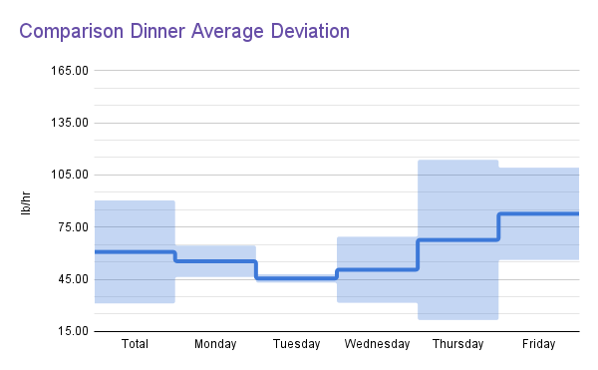
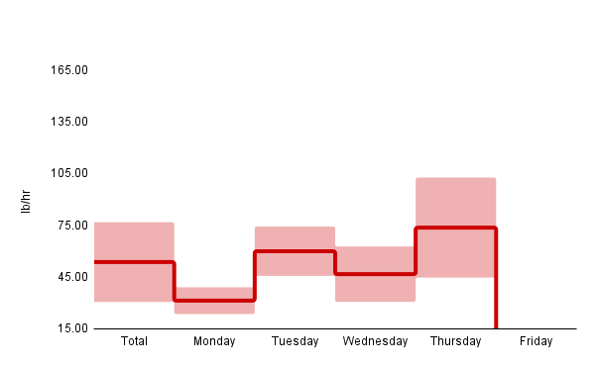

 | [all time] shifts worked: |  | 273 | 125.58% |  |  |  |  | [all time] shifts missed |  | 102
 | Ambassador Data
 | Ambassador | total lbs | score | avg period | expected shifts as of 4/29/2026 | shifts worked | Worked Shifts | skipped shifts | total hrs | lb/hr | lb/shift
FALSE | Alexis Sylvestre | 193 | 81.68% | Dinner | 24 | 3 | 0 | 21 | 4:50:00 | 39.93 | 64.33
TRUE | Arjya Aich | 837 | 72.12% | Dinner | 43 | 11 | 0 | 32 | 30:45:00 | 27.22 | 76.09
FALSE | Brynn Hornig | 3,497 | 113.25% | Lunch | 33 | 34 | 1 | -1 | 90:22:00 | 38.70 | 102.85
FALSE | Denise Romanszysn | 1,347 | 158.03% | Breakfast | 31 | 12 | 0 | 19 | 23:38:00 | 57.00 | 112.25
FALSE | Emmett Khan | 2,083 | 124.75% | Dinner | 22 | 22 | 1 | 0 | 32:51:00 | 63.41 | 94.68
FALSE | Evan Morgan | 1,475 | 71.87% | Lunch | 32 | 25 | 1 | 7 | 30:38:00 | 48.15 | 59.00
FALSE | Kaylie Forgue | 2,702 | 179.83% | Breakfast | 30 | 29 | 1 | 1 | 52:14:00 | 51.73 | 93.17
FALSE | Kyra Turner | 4,226 | 180.57% | Lunch | 23 | 23 | 1 | 0 | 62:00:00 | 68.16 | 183.74
FALSE | Laila Maisuria | 769 | 95.63% | Dinner | 13 | 6 | 0 | 7 | 16:49:00 | 45.73 | 128.17
FALSE | Leah Bucci | 4,062 | 115.99% | Dinner | 29 | 26 | 1 | 3 | 75:16:00 | 53.97 | 156.23
FALSE | Maureen Surgot | 3,159 | 104.05% | Dinner | 21 | 19 | 1 | 2 | 67:10:00 | 47.03 | 166.26
FALSE | Oluwatimilehin Shodipe | 2,591 | 110.03% | Lunch | 32 | 26 | 1 | 6 | 53:24:00 | 48.52 | 99.65
FALSE | Orpheus Wilson | 2,477 | 165.83% | Dinner | 20 | 19 | 95.00% | 1 | 32:44:00 | 75.67 | 130.37
FALSE | Sophia Kluck | 1,261 | 110.94% | Breakfast | 22 | 17 | 77.27% | 5 | 35:53:00 | 35.14 | 74.18

